Исходные данные
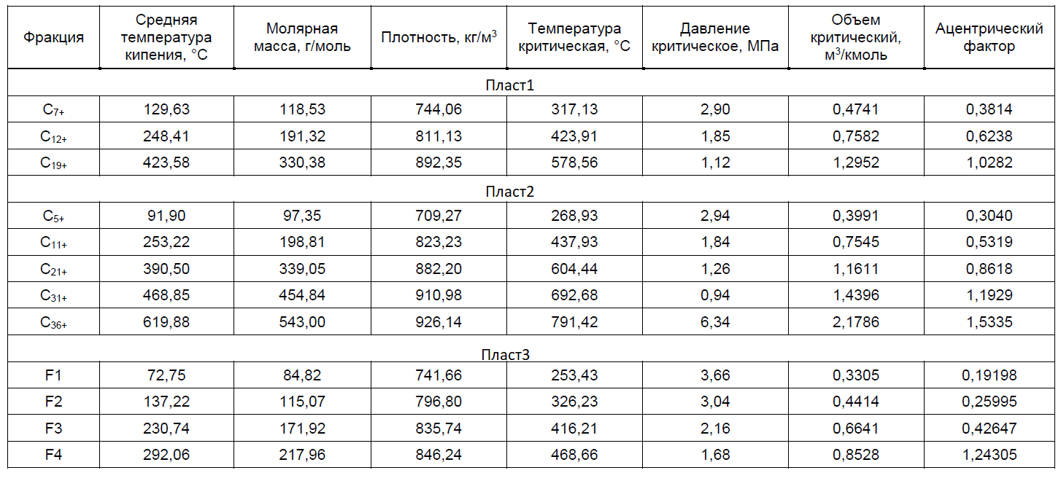
Component, масс.доли | Feed1 | Feed2 | Feed3 | Feed4 | Feed5 | Feed6 | Feed7 | Feed8
Nitrogen | 0.001063 | 0.000000 | 0.001243 | 0.000000 | 0.006722 | 0.000000 | 0.001580 | 0.000006
CO2 | 0.011992 | 0.000000 | 0.005851 | 0.000000 | 0.016686 | 0.000000 | 0.016492 | 0.002424
Methane | 0.554331 | 0.000000 | 0.590644 | 0.000000 | 0.462312 | 0.000000 | 0.808221 | 0.023032
Ethane | 0.067038 | 0.000000 | 0.103879 | 0.000000 | 0.090615 | 0.000000 | 0.084778 | 0.031152
Propane | 0.065809 | 0.000000 | 0.062213 | 0.000000 | 0.063911 | 0.000000 | 0.058336 | 0.090964
i-Butane | 0.022506 | 0.000000 | 0.017198 | 0.000000 | 0.021486 | 0.000000 | 0.012592 | 0.049053
n-Butane | 0.028836 | 0.000000 | 0.019747 | 0.000000 | 0.026656 | 0.000000 | 0.012357 | 0.071913
i-Pentane | 0.014061 | 0.000000 | 0.000000 | 0.000000 | 0.000000 | 0.000000 | 0.002824 | 0.042505
n-Pentane | 0.012373 | 0.000000 | 0.000000 | 0.000000 | 0.000000 | 0.000000 | 0.001765 | 0.039075
n-Hexane | 0.018804 | 0.000000 | 0.000000 | 0.000000 | 0.000000 | 0.000000 | 0.000676 | 0.062993
H2O | 0.000000 | 1.000000 | 0.000000 | 1.000000 | 0.000000 | 1.000000 | 0.000000 | 0.023951
Methanol | 0.000000 | 0.000000 | 0.000000 | 0.000000 | 0.000000 | 0.000000 | 0.000381 | 0.017879
C5+* | 0.000000 | 0.000000 | 0.000000 | 0.000000 | 0.158420 | 0.000000 | 0.000000 | 0.000000
C7+* | 0.094921 | 0.000000 | 0.000000 | 0.000000 | 0.000000 | 0.000000 | 0.000000 | 0.303677
C11+* | 0.000000 | 0.000000 | 0.000000 | 0.000000 | 0.109367 | 0.000000 | 0.000000 | 0.000000
C12+* | 0.072943 | 0.000000 | 0.000000 | 0.000000 | 0.000000 | 0.000000 | 0.000000 | 0.190321
C19+* | 0.035321 | 0.000000 | 0.000000 | 0.000000 | 0.000000 | 0.000000 | 0.000000 | 0.051054
C21+* | 0.000000 | 0.000000 | 0.000000 | 0.000000 | 0.038053 | 0.000000 | 0.000000 | 0.000000
C31+* | 0.000000 | 0.000000 | 0.000000 | 0.000000 | 0.004328 | 0.000000 | 0.000000 | 0.000000
C36+* | 0.000000 | 0.000000 | 0.000000 | 0.000000 | 0.001444 | 0.000000 | 0.000000 | 0.000000
F1* | 0.000000 | 0.000000 | 0.068597 | 0.000000 | 0.000000 | 0.000000 | 0.000000 | 0.000000
F2* | 0.000000 | 0.000000 | 0.079117 | 0.000000 | 0.000000 | 0.000000 | 0.000000 | 0.000000
F3* | 0.000000 | 0.000000 | 0.049628 | 0.000000 | 0.000000 | 0.000000 | 0.000000 | 0.000000
F4* | 0.000000 | 0.000000 | 0.001882 | 0.000000 | 0.000000 | 0.000000 | 0.000000 | 0.000000
Mass flow, kg/h | 1651374 | 8862 | 46565 | 181 | 50689 | 163 | 320522 | 126149

